Matrix
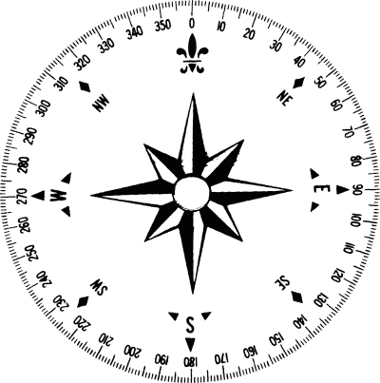
offshore
 |  |  |  | * = less than five drifters
 |  |  | Onshore Wind (70-230 degrees) |  |  |  | Offshore Wind (230-70 degrees)
Rising tide: |  |  | 15kts+ | 5-15kts | 0-5kts |  | 15kts+ | 5-15kts | 0-5kts
 | Swell | 3m+ |  |  |  | 3m+
 |  | 2-3m |  |  | #22 | 2-3m |  | #25,#26,#29,#30 | #21
 |  | 0-2m |  | #7*,#11*,#12* | #6,#9*,14* | 0-2m |  | #17 | #2,#3

 |  |  | Onshore Wind (70-230 degrees) |  |  |  | Offshore Wind (230-70 degrees)
Falling tide: |  |  | 15kts+ | 5-15kts | 0-5kts |  | 15kts+ | 5-15kts | 0-5kts
 | Swell | 3m+ |  |  |  | 3m+
onshore
 |  | 2-3m |  |  | #23,#24 | 2-3m |  |  | #27,#28
 |  | 0-2m |  | #4,#5,#8*,#10* | 13*,#18 | 0-2m |  | #15,#16,#20 | #1,#19

 |  |  | Total Rising: | 14
 |  |  | Total Falling: | 15 |  |  | wind | 4,5,7,8
 |  |  |  |  |  |  | calm | 1,2,3,6
 |  |  |  |  |  |  | wave

